Instructions
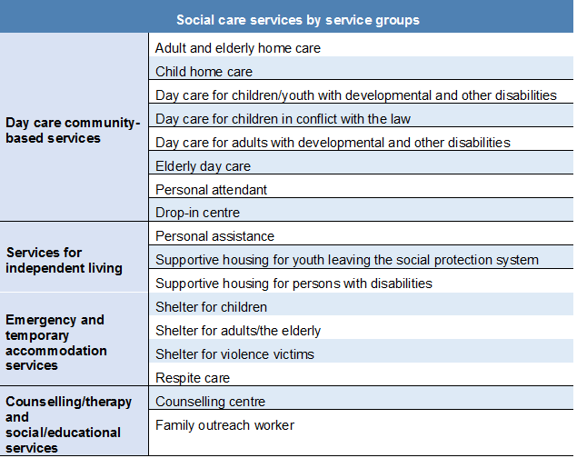 INSTRUCTIONS FOR DOWNLOADING AND USING THE SOCIAL CARE SERVICES DATABASE (Data from 2015) The data on social care services provided in this Excel file were collected through the process “Mapping Social Care Services within the Mandate of Local Governments in the Republic of Serbia”, conducted between October 2015 and March 2016. Summary data on services are presented in Annex 2: Database of social care services within the mandate of LGs. The sheet in Annex 2 titled “PIVOT database” provides summary data in a PIVOT table, thus enabling easier sorting, cross-referencing and analysis of the available data (clicking on any field in the PIVOT table opens a menu on the left, in which the response to the query is created by checking the desired data). The sheet in Annex 2 titled “Database” contains the basic data available from the mapping exercise carried out. The mapped services are classified into the following four groups: 1. Day care community-based services, 2. Counselling/therapy and social/educational services, 3. Services for independent living, 4. Emergency and temporary accommodation services. Within these groups, the data are shown for the following services: Owing to their specific nature, the data on clubs and counselling/therapy and social/educational services are presented in the third sheet of the database (Annex 2), titled “Clubs, couns. and other services”. The data on cross-sectoral cooperation at the local government level are presented in the sheet: “4. Cross-sectoral cooperation, ISC”. Sheet “5. One-off financial assistance” provides the data on one-of financial assistance (total expenditures, number of clients) and client work engagement. Annex 3 contains the Questionnaire prepared for mapping purposes, which was completed by service providers and served as the primary source of data for the accompanying analysis. Annex 4 – Expenditures on social care services presents the key data on local government budget expenditures, local government bud

